Dashboard数据分类
一） | B17厂房总用电量数据
 | A：以下13电块表要求每块表读出电压、电流、功率因数、总功率、正向总有功等数据。
 | B：这13块电表的数据相加为B17总用电量数据，只需要总功率、正向总有功这两项数据；其中总功率实时显示，正向总有功每小时汇总一次，并汇总出每天、每周、每月的数据；每天及每周的数据可以分别设定目标值对话框，当系统读出数据超出目标值时系统自动发邮件预警。
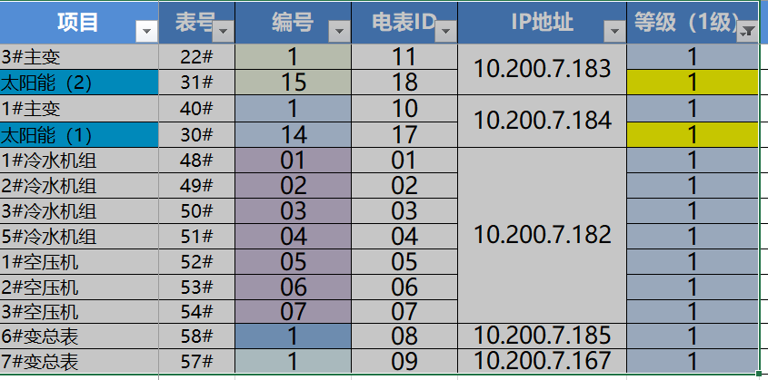

二） | B17太阳能用电量数据
 | A：以下2块电表的数据相加为B17总太阳能数据，只需要总功率、正向总有功这两项数据；其中总功率实时显示，正向总有功每小时汇总一次，并汇总出每天、每周、每月的数据；每天及每周的数据可以分别设定目标值对话框，当系统读出数据超出目标值时系统自动发邮件预警。

三） | B10 Mech用电数据
 | A：以下6块电表的数据相加为B10Mech总用电量数据，只需要总功率、正向总有功这两项数据；其中总功率实时显示，正向总有功每小时汇总一次，并汇总出每天、每周、每月的数据；每天及每周的数据可以分别设定目标值对话框，当系统读出数据超出目标值时系统自动发邮件预警。

四） | B17 Mech用电数据
 | A：以下6块电表的数据相加为B17Mech总用电量数据，只需要总功率、正向总有功这两项数据；其中总功率实时显示，正向总有功每小时汇总一次，并汇总出每天、每周、每月的数据；每天及每周的数据可以分别设定目标值对话框，当系统读出数据超出目标值时系统自动发邮件预警。

五） | 空调系统用电数据
 | A：以下7块电表的数据相加为空调系统总用电量数据，只需要总功率、正向总有功这两项数据；其中总功率实时显示，正向总有功每小时汇总一次，并汇总出每天、每周、每月的数据；每天及每周的数据可以分别设定目标值对话框，当系统读出数据超出目标值时系统自动发邮件预警。

六） | 压缩空气系统用电数据
 | A：以下5块电表的数据相加为压缩空气系统总用电量数据，只需要总功率、正向总有功这两项数据；其中总功率实时显示，正向总有功每小时汇总一次，并汇总出每天、每周、每月的数据；每天及每周的数据可以分别设定目标值对话框，当系统读出数据超出目标值时系统自动发邮件预警。

七） | 楼顶排风&其它用电数据
 | A：以下6块电表的数据相加为楼顶排风&其它类总用电量数据，只需要总功率、正向总有功这两项数据；其中总功率实时显示，正向总有功每小时汇总一次，并汇总出每天、每周、每月的数据；每天及每周的数据可以分别设定目标值对话框，当系统读出数据超出目标值时系统自动发邮件预警。

八） | B17 PCBA照明用电数据
 | A：以下9块电表的数据相加为B17PCBA照明总用电量数据，只需要总功率、正向总有功这两项数据；其中总功率实时显示，正向总有功每小时汇总一次，并汇总出每天、每周、每月的数据；每天及每周的数据可以分别设定目标值对话框，当系统读出数据超出目标值时系统自动发邮件预警。

九） | B17一楼原材料仓用电数据
 | A：以下2块电表的数据相加为B17一楼原材料仓总用电量数据，只需要总功率、正向总有功这两项数据；其中总功率实时显示，正向总有功每小时汇总一次，并汇总出每天、每周、每月的数据；每天及每周的数据可以分别设定目标值对话框，当系统读出数据超出目标值时系统自动发邮件预警。

十） | B17一楼PCBA车间用电数据
 | A：以下7块电表的数据相加为B17一楼PCBA车间总用电量数据，只需要总功率、正向总有功这两项数据；其中总功率实时显示，正向总有功每小时汇总一次，并汇总出每天、每周、每月的数据；每天及每周的数据可以分别设定目标值对话框，当系统读出数据超出目标值时系统自动发邮件预警。

十一） | B17二楼车间用电数据
 | A：以下6块电表的数据相加为B17二楼车间总用电量数据，只需要总功率、正向总有功这两项数据；其中总功率实时显示，正向总有功每小时汇总一次，并汇总出每天、每周、每月的数据；每天及每周的数据可以分别设定目标值对话框，当系统读出数据超出目标值时系统自动发邮件预警。

十二） | B17三楼A车间用电数据
 | A：以下4块电表的数据相加为B17三楼A车间总用电量数据，只需要总功率、正向总有功这两项数据；其中总功率实时显示，正向总有功每小时汇总一次，并汇总出每天、每周、每月的数据；每天及每周的数据可以分别设定目标值对话框，当系统读出数据超出目标值时系统自动发邮件预警。

十三） | B17三楼B车间用电数据
 | A：以下3块电表的数据相加为B17三楼B车间总用电量数据，只需要总功率、正向总有功这两项数据；其中总功率实时显示，正向总有功每小时汇总一次，并汇总出每天、每周、每月的数据；每天及每周的数据可以分别设定目标值对话框，当系统读出数据超出目标值时系统自动发邮件预警。

十四） | B17四楼A车间用电数据
 | A：以下4块电表的数据相加为B17四楼A车间总用电量数据，只需要总功率、正向总有功这两项数据；其中总功率实时显示，正向总有功每小时汇总一次，并汇总出每天、每周、每月的数据；每天及每周的数据可以分别设定目标值对话框，当系统读出数据超出目标值时系统自动发邮件预警。

十五） | B17四楼B车间用电数据
 | A：以下3块电表的数据相加为B17四楼B车间总用电量数据，只需要总功率、正向总有功这两项数据；其中总功率实时显示，正向总有功每小时汇总一次，并汇总出每天、每周、每月的数据；每天及每周的数据可以分别设定目标值对话框，当系统读出数据超出目标值时系统自动发邮件预警。

十六） | B17写字楼用电数据
 | A：以下2块电表的数据相加为B17写字楼总用电量数据，只需要总功率、正向总有功这两项数据；其中总功率实时显示，正向总有功每小时汇总一次，并汇总出每天、每周、每月的数据；每天及每周的数据可以分别设定目标值对话框，当系统读出数据超出目标值时系统自动发邮件预警。

十八） | By Machine (按机器统计)
 | A：以下2块电表的数据相加为B17写字楼总用电量数据，只需要总功率、正向总有功这两项数据；其中总功率实时显示，正向总有功每小时汇总一次，并汇总出每天、每周、每月的数据；每天及每周的数据可以分别设定目标值对话框，当系统读出数据超出目标值时系统自动发邮件预警。
十七） | 报表功能
 | A：以上各区域电表总和（一致十六项）每天自动生成总功率及正向总有功这两项数据报表。
 | B：所有单个电表每天自动生成总功率及正向总有功这两项数据报表。

